Sheet1
Directions
1 Fill in the yellow boxes for the scaling factors entered in the Sensor Head (Global Options/Analog Outputs)
2 Start a RUN and fill in the blue boxes with the values displayed on the screen
The expected Analog output values in mA can be seen in the red boxes

 | Scale in Sensor
Channel | 4mA | 20mA |  | Pins
1 | 0 | 100 |  | 19/20
2 | -50 | 50 |  | 21/22
3 | -50 | 50 |  | 23/24 | Note: The analog output values only update when the display screen updates. The sensor must be in RUN mode
4 | 0 | 10 |  | 25/26 | Please remove any resistors that may be attached to the analog output channels in the support unit.

 | Displayed Values |  | Analog Outputs (mA)
1 | 0 |  | 4
2 | 0 |  | 12
3 | 0 |  | 12
4 | 0 |  | 4

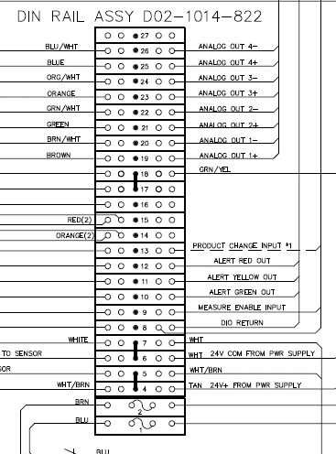
 |  |  |  |  |  | The analog outputs are located on the door of the Support Unit

